DL harq
// fix format2
subframe | 0 |  |  |  | 1 |  |  |  | 2 |  |  |  | 3 |  |  |  | 4 |  |  |  | 5 |  |  |  | 6 |  |  |  | 7 |  |  | 8 |  |  | 9
slot | 0 |  | 1 |  | 2 |  | 3 |  | 4 |  | 5 |  | 6 |  | 7 |  | 8 |  | 9 |  | 10 |  | 11 |  | 12 |  | 13 |  | 14 |  | 15 | 16 | 17 |  | 18 |  | 19
 | D |  | D |  | D |  | S |  | U |  | D |  | D |  | S |  | U |  | U |  | D |  | D |  | D |  | S |  | U |  | D | D | S |  | U |  | U
 | DL_CONFIG.req |  | DL_CONFIG.req |  | DL_CONFIG.req |  | DL_CONFIG.req | UL_CONFIG.req | UL_CONFIG.req |  | DL_CONFIG.req |  | DL_CONFIG.req |  | DL_CONFIG.req | UL_CONFIG.req | UL_CONFIG.req |  | UL_CONFIG.req |  | DL_CONFIG.req |  | DL_CONFIG.req |  | DL_CONFIG.req |  | DL_CONFIG.req | UL_CONFIG.req | UL_CONFIG.req |  | DL_CONFIG.req | DL_CONFIG.req | DL_CONFIG.req | UL_CONFIG.req | UL_CONFIG.req |  | UL_CONFIG.req | 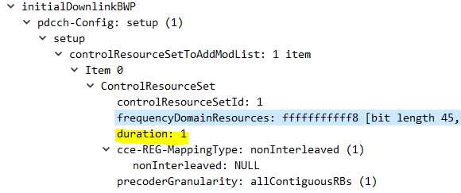
 |  |  |  |  |  |  |  | PUCCH_Fmt2 |  |  |  |  |  |  |  | PUCCH_Fmt2 |  |  |  |  |  |  |  |  |  |  |  | PUCCH_Fmt2 |  |  |  |  |  | PUCCH_Fmt2
 |  |  |  |  |  |  |  |  |  |  |  |  |  |  |  |  |  |  |  |  |  |  |  |  |  |  |  |  |  |  |  |  |  |  |  |  |  | dl-DataToUL-ACK: 8 items | 0 index 3 +7=7
<pucchResourceCmn>3</pucchResourceCmn>
<f1SymLength>4</f1SymLength>
<cfgSrWithF1>1</cfgSrWithF1> //format1
 |  |  |  |  |  |  |  |  |  |  |  |  |  |  |  |  |  |  |  |  |  |  |  |  |  |  |  |  |  |  |  |  |  |  |  |  |  | dl-DataToUL-ACK item: 4 //index 0 | 1 index 2 +6=7
 |  |  |  |  |  |  |  |  |  |  |  |  |  |  |  |  |  |  |  |  |  |  |  |  |  |  |  |  |  |  |  |  |  |  |  |  |  | dl-DataToUL-ACK item: 5 //index 1 | 2 index 1 +5=7
D | 0 | 1 | 2 | 3 | 4 | 5 | 6 | 7 | 8 | 9 | 10 | 11 | 12 | 13 |  |  | 0 | 1 | 2 | 3 | 4 | 5 | 6 | 7 | 8 | 9 | 10 | 11 | 12 | 13 |  |  |  |  |  |  |  | dl-DataToUL-ACK item: 6 //index 2 | 3 index 0 +4=7
 | D | D | D | D | D | D | D | D | D | D | D | D | D | D |  |  | PDCCH |  |  |  |  |  | PDSCH |  |  |  |  |  |  |  | sliv40: S=1,L=13 |  |  |  |  |  |  | dl-DataToUL-ACK item: 7 //index 3 | 5 index 4 +8=13
 |  |  |  |  |  |  |  |  |  |  |  |  |  |  |  |  |  |  |  |  |  |  |  |  |  |  |  |  |  |  |  |  |  |  |  |  |  | dl-DataToUL-ACK item: 8 //index 4 | 6 index 3 +7=13
 |  |  |  |  |  |  |  |  |  |  |  |  |  |  |  |  |  |  |  |  |  |  |  |  |  |  |  |  |  |  |  |  |  |  |  |  |  | dl-DataToUL-ACK item: 9 //index 5 | 7 index 2 +6=13
<pucchResourceCmn>0</pucchResourceCmn>
<f0f2SymLength>1</f0f2SymLength>
<cfgSrWithF1>0</cfgSrWithF1> //format0
S | 0 | 1 | 2 | 3 | 4 | 5 | 6 | 7 | 8 | 9 | 10 | 11 | 12 | 13 |  |  | 0 | 1 | 2 | 3 | 4 | 5 | 6 | 7 | 8 | 9 | 10 | 11 | 12 | 13 |  |  |  |  |  |  |  | dl-DataToUL-ACK item: 10 //index 6 | 10 index 3 +7=17
 | D | D | D | D | D | D | D | D | D | D | S | S | U | U |  |  | PDCCH |  |  |  |  |  | PDSCH |  |  |  |  |  |  |  | sliv96: S=1,L=9 |  |  |  |  |  |  | dl-DataToUL-ACK item: 11 //index 7 | 11 index 2 +6=17
 |  |  |  |  |  |  |  |  |  |  |  |  |  |  |  |  |  |  |  |  |  |  |  |  |  |  |  |  |  |  |  |  |  |  |  |  |  |  | 12 index 1 +5=17
 |  |  |  |  |  |  |  |  |  |  |  |  |  |  |  |  |  |  |  |  |  |  |  |  |  |  |  |  |  |  |  |  |  |  |  |  |  |  | 13 index 0 +4=17
// DDDSU DDSUU not fix |  |  |  |  |  |  |  |  |  |  |  |  |  |  |  |  |  |  |  |  |  |  |  |  |  |  |  |  |  |  |  |  |  |  |  |  |  |  | 15 index 4 +8=23
 |  |  |  |  |  |  |  |  |  |  |  |  |  |  |  |  |  |  |  |  |  |  |  |  |  |  |  |  |  |  |  |  |  |  |  |  |  |  | 16 index 3 +7=23
subframe | 0 |  |  |  | 1 |  |  |  | 2 |  |  |  | 3 |  |  |  | 4 |  |  |  | 5 |  |  |  | 6 |  |  |  | 7 |  |  | 8 |  |  | 9 |  |  |  | 17 index 2 +6=23
slot | 0 |  | 1 |  | 2 |  | 3 |  | 4 |  | 5 |  | 6 |  | 7 |  | 8 |  | 9 |  | 10 |  | 11 |  | 12 |  | 13 |  | 14 |  | 15 | 16 | 17 |  | 18 |  | 19
 | D |  | D |  | D |  | S |  | U |  | D |  | D |  | S |  | U |  | U |  | D |  | D |  | D |  | S |  | U |  | D | D | S |  | U |  | U
 | DL_CONFIG.req |  | DL_CONFIG.req |  | DL_CONFIG.req |  | DL_CONFIG.req | UL_CONFIG.req | UL_CONFIG.req |  | DL_CONFIG.req |  | DL_CONFIG.req |  | DL_CONFIG.req | UL_CONFIG.req | UL_CONFIG.req |  | UL_CONFIG.req |  | DL_CONFIG.req |  | DL_CONFIG.req |  | DL_CONFIG.req |  | DL_CONFIG.req | UL_CONFIG.req | UL_CONFIG.req |  | DL_CONFIG.req | DL_CONFIG.req | DL_CONFIG.req | UL_CONFIG.req | UL_CONFIG.req |  | UL_CONFIG.req | 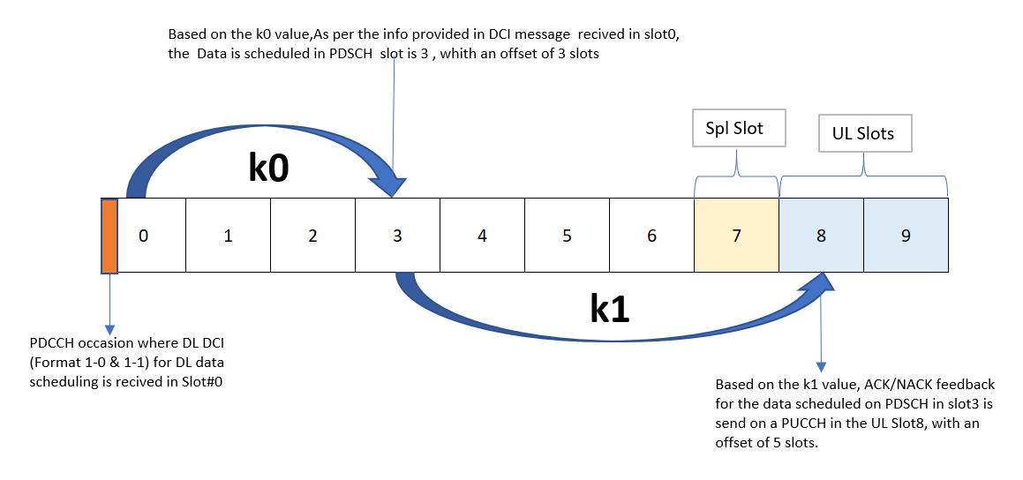
 |  |  |  |  |  |  |  | PUCCH_Fmt0 | PUCCH_Fmt0 |  |  |  |  |  |  | PUCCH_Fmt2 |  |  | PUCCH_Fmt0 |  |  |  |  |  |  |  |  | PUCCH_Fmt0 | PUCCH_Fmt0 |  |  |  |  | PUCCH_Fmt2 |  |  | PUCCH_Fmt0
 |  |  |  |  |  |  |  |  |  |  |  |  |  |  |  | PUCCH_Fmt0 |  |  |  |  |  |  |  |  |  |  |  |  |  |  |  |  |  |  |  |  |  | dl-DataToUL-ACK: 8 items | 0 index0 +4 =4
 |  |  |  |  |  |  |  |  |  |  |  |  |  |  |  |  |  |  |  |  |  |  |  |  |  |  |  |  |  |  |  |  |  |  |  |  |  | dl-DataToUL-ACK item: 4 //index 0 | 1 index2 +6 =7
 |  |  |  |  |  |  |  |  |  |  |  |  |  |  |  |  |  |  |  |  |  |  |  |  |  |  |  |  |  |  |  |  |  |  |  |  |  | dl-DataToUL-ACK item: 5 //index 1 | 2 index1 +5 =7
 |  |  |  |  |  |  |  |  |  |  |  |  |  |  |  |  |  |  |  |  |  |  |  |  |  |  |  |  |  |  |  |  |  |  |  |  |  | dl-DataToUL-ACK item: 6 //index 2 | 3 index0 +4 =7
 |  |  |  |  |  |  |  |  |  |  |  |  |  |  |  |  |  |  |  |  |  |  |  |  |  |  |  |  |  |  |  |  |  |  |  |  |  | dl-DataToUL-ACK item: 7 //index 3 | 5 index0 +4 =9
 |  |  |  |  |  |  |  |  |  |  |  |  |  |  |  |  |  |  |  |  |  |  |  |  |  |  |  |  |  |  |  |  |  |  |  |  |  | dl-DataToUL-ACK item: 8 //index 4 | 6 index3 +7 =13
 |  |  |  |  |  |  |  |  |  |  |  |  |  |  |  |  |  |  |  |  |  |  |  |  |  |  |  |  |  |  |  |  |  |  |  |  |  | dl-DataToUL-ACK item: 9 //index 5 | 7 index2 +6 =13
 |  |  |  |  |  |  |  |  |  |  |  |  |  |  |  |  |  |  |  |  |  |  |  |  |  |  |  |  |  |  |  |  |  |  |  |  |  | dl-DataToUL-ACK item: 10 //index 6 | 10 index0 +4 =14
 |  |  |  |  |  |  |  |  |  |  |  |  |  |  |  |  |  |  |  |  |  |  |  |  |  |  |  |  |  |  |  |  |  |  |  |  |  | dl-DataToUL-ACK item: 11 //index 7 | 11 index2 +6 =17
 |  |  |  |  |  |  |  |  |  |  |  |  |  |  |  |  |  |  |  |  |  |  |  |  |  |  |  |  |  |  |  |  |  |  |  |  |  |  | 12 index1 +5 =17
 |  |  |  |  |  |  |  |  |  |  |  |  |  |  |  |  |  |  |  |  |  |  |  |  |  |  |  |  |  |  |  |  |  |  |  |  |  |  | 13 index0 +4 =17
 |  |  |  |  |  |  |  |  |  |  |  |  |  |  |  |  |  |  |  |  |  |  |  |  |  |  |  |  |  |  |  |  |  |  |  |  |  |  | 15 index0 +4 =19
 |  |  |  |  |  |  |  |  |  |  |  |  |  |  |  |  |  |  |  |  |  |  |  |  |  |  |  |  |  |  |  |  |  |  |  |  |  |  | 16 index3 +7 =23
 |  |  |  |  |  |  |  |  |  |  |  |  |  |  |  |  |  |  |  |  |  |  |  |  |  |  |  |  |  |  |  |  |  |  |  |  |  |  | 17 index2 +6 =23
subframe | 0 |  |  |  | 1 |  |  |  | 2 |  |  |  | 3 |  |  |  | 4 |  |  |  | 5 |  |  |  | 6 |  |  |  | 7 |  |  | 8 |  |  | 9
slot | 0 |  | 1 |  | 2 |  | 3 |  | 4 |  | 5 |  | 6 |  | 7 |  | 8 |  | 9 |  | 10 |  | 11 |  | 12 |  | 13 |  | 14 |  | 15 | 16 | 17 |  | 18 |  | 19
 | D |  | D |  | D |  | S |  | U |  | D |  | D |  | D |  | S |  | U |  | D |  | D |  | D |  | S |  | U |  | D | D | D |  | S |  | U
 | DL_CONFIG.req |  | DL_CONFIG.req |  | DL_CONFIG.req |  | DL_CONFIG.req | UL_CONFIG.req | UL_CONFIG.req |  | DL_CONFIG.req |  | DL_CONFIG.req |  | DL_CONFIG.req |  | DL_CONFIG.req | UL_CONFIG.req | UL_CONFIG.req |  | DL_CONFIG.req |  | DL_CONFIG.req |  | DL_CONFIG.req |  | DL_CONFIG.req | UL_CONFIG.req | UL_CONFIG.req |  | DL_CONFIG.req | DL_CONFIG.req | DL_CONFIG.req |  | DL_CONFIG.req | UL_CONFIG.req | UL_CONFIG.req
 |  |  |  |  |  |  |  |  | PUCCH_Fmt2 |  |  |  |  |  |  |  |  |  | PUCCH_Fmt2 |  |  |  |  |  |  |  |  |  | PUCCH_Fmt2 |  |  |  |  |  |  |  | PUCCH_Fmt2
 |  |  |  |  |  |  |  |  | PUCCH_Fmt1 |  |  |  |  |  |  |  |  |  | PUCCH_Fmt1 |  |  |  |  |  |  |  |  |  | PUCCH_Fmt1 |  |  |  |  |  |  |  | PUCCH_Fmt1
 |  |  |  |  |  |  |  |  |  |  |  |  |  |  |  |  |  |  |  |  |  |  |  |  |  |  |  |  |  |  |  |  |  |  |  |  |  | dl-DataToUL-ACK: 5 items | 0 index 0+4 =4
 |  |  |  |  |  |  |  |  |  |  |  |  |  |  |  |  |  |  |  |  |  |  |  |  |  |  |  |  |  |  |  |  |  |  |  |  |  | dl-DataToUL-ACK item: 4 //index0 | 1 index 4+8 =9
 |  |  |  |  |  |  |  |  |  |  |  |  |  |  |  |  |  |  |  |  |  |  |  |  |  |  |  |  |  |  |  |  |  |  |  |  |  | dl-DataToUL-ACK item: 5 //index1 | 2 index 3+7 =9
 |  |  |  |  |  |  |  |  |  |  |  |  |  |  |  |  |  |  |  |  |  |  |  |  |  |  |  |  |  |  |  |  |  |  |  |  |  | dl-DataToUL-ACK item: 6 //index2 | 3 index 2+6 =9
 |  |  |  |  |  |  |  |  |  |  |  |  |  |  |  |  |  |  |  |  |  |  |  |  |  |  |  |  |  |  |  |  |  |  |  |  |  | dl-DataToUL-ACK item: 7 //index3 | 5 index 0+4 =9
 |  |  |  |  |  |  |  |  |  |  |  |  |  |  |  |  |  |  |  |  |  |  |  |  |  |  |  |  |  |  |  |  |  |  |  |  |  | dl-DataToUL-ACK item: 8 //index4 | 6 index 4+8 =14
 |  |  |  |  |  |  |  |  |  |  |  |  |  |  |  |  |  |  |  |  |  |  |  |  |  |  |  |  |  |  |  |  |  |  |  |  |  |  | 7 index 3+7 =14
 |  |  |  |  |  |  |  |  |  |  |  |  |  |  |  |  |  |  |  |  |  |  |  |  |  |  |  |  |  |  |  |  |  |  |  |  |  |  | 8 index 2+6 =14
 |  |  |  |  |  |  |  |  |  |  |  |  |  |  |  |  |  |  |  |  |  |  |  |  |  |  |  |  |  |  |  |  |  |  |  |  |  |  | 10 index 0+4 =14
 |  |  |  |  |  |  |  |  |  |  |  |  |  |  |  |  |  |  |  |  |  |  |  |  |  |  |  |  |  |  |  |  |  |  |  |  |  |  | 11 index 4+8 =19
 |  |  |  |  |  |  |  |  |  |  |  |  |  |  |  |  |  |  |  |  |  |  |  |  |  |  |  |  |  |  |  |  |  |  |  |  |  |  | 12 index 3+7 =19
 |  |  |  |  |  |  |  |  |  |  |  |  |  |  |  |  |  |  |  |  |  |  |  |  |  |  |  |  |  |  |  |  |  |  |  |  |  |  | 13 index 2+6 =19
 |  |  |  |  |  |  |  |  |  |  |  |  |  |  |  |  |  |  |  |  |  |  |  |  |  |  |  |  |  |  |  |  |  |  |  |  |  |  | 15 index 0+4 =19
 |  |  |  |  |  |  |  |  |  |  |  |  |  |  |  |  |  |  |  |  |  |  |  |  |  |  |  |  |  |  |  |  |  |  |  |  |  |  | 16 index 4+8 =24
 |  |  |  |  |  |  |  |  |  |  |  |  |  |  |  |  |  |  |  |  |  |  |  |  |  |  |  |  |  |  |  |  |  |  |  |  |  |  | 17 index 3+7 =24
 |  |  |  |  |  |  |  |  |  |  |  |  |  |  |  |  |  |  |  |  |  |  |  |  |  |  |  |  |  |  |  |  |  |  |  |  |  |  | 18 index 2+6 =24
subframe | 0 |  |  |  | 1 |  |  |  | 2 |  |  |  | 3 |  |  |  | 4 |  |  |  | 5 |  |  |  | 6 |  |  |  | 7 |  |  | 8 |  |  | 9
slot | 0 |  | 1 |  | 2 |  | 3 |  | 4 |  | 5 |  | 6 |  | 7 |  | 8 |  | 9 |  | 10 |  | 11 |  | 12 |  | 13 |  | 14 |  | 15 | 16 | 17 |  | 18 |  | 19
 | D |  | D |  | D |  | S |  | U |  | D |  | D |  | D |  | S |  | U |  | D |  | D |  | D |  | S |  | U |  | D | D | D |  | S |  | U
 | DL_CONFIG.req |  | DL_CONFIG.req |  | DL_CONFIG.req |  | DL_CONFIG.req | UL_CONFIG.req | UL_CONFIG.req |  | DL_CONFIG.req |  | DL_CONFIG.req |  | DL_CONFIG.req |  | DL_CONFIG.req | UL_CONFIG.req | UL_CONFIG.req |  | DL_CONFIG.req |  | DL_CONFIG.req |  | DL_CONFIG.req |  | DL_CONFIG.req | UL_CONFIG.req | UL_CONFIG.req |  | DL_CONFIG.req | DL_CONFIG.req | DL_CONFIG.req |  | DL_CONFIG.req | UL_CONFIG.req | UL_CONFIG.req
 |  |  |  |  |  |  |  | PUCCH_Fmt2 | PUCCH_Fmt0 |  |  |  |  |  |  |  |  | PUCCH_Fmt2 | PUCCH_Fmt0 |  |  |  |  |  |  |  |  | PUCCH_Fmt2 | PUCCH_Fmt0 |  |  |  |  |  |  | PUCCH_Fmt2 | PUCCH_Fmt0 | dl-DataToUL-ACK: 5 items | 0 index 0 +4 = 4
 |  |  |  |  |  |  |  | PUCCH_Fmt0 |  |  |  |  |  |  |  |  |  |  |  |  |  |  |  |  |  |  |  | PUCCH_Fmt0 |  |  |  |  |  |  |  | PUCCH_Fmt0 |  | dl-DataToUL-ACK item: 4 //index 0 | 1 index 3 +7 = 8
 |  |  |  |  |  |  |  |  |  |  |  |  |  |  |  |  |  |  |  |  |  |  |  |  |  |  |  |  |  |  |  |  |  |  |  |  |  | dl-DataToUL-ACK item: 5 //index 1 | 2 index 2 +6 = 8
 |  |  |  |  |  |  |  |  |  |  |  |  |  |  |  |  |  |  |  |  |  |  |  |  |  |  |  |  |  |  |  |  |  |  |  |  |  | dl-DataToUL-ACK item: 6 //index 2 | 3 index 1 +5 = 8
 |  |  |  |  |  |  |  |  |  |  |  |  |  |  |  |  |  |  |  |  |  |  |  |  |  |  |  |  |  |  |  |  |  |  |  |  |  | dl-DataToUL-ACK item: 7 //index 3 | 5 index 0 +4 = 9
 |  |  |  |  |  |  |  |  |  |  |  |  |  |  |  |  |  |  |  |  |  |  |  |  |  |  |  |  |  |  |  |  |  |  |  |  |  | dl-DataToUL-ACK item: 8 //index 4 | 6 index 3 +7 = 13
 |  |  |  |  |  |  |  |  |  |  |  |  |  |  |  |  |  |  |  |  |  |  |  |  |  |  |  |  |  |  |  |  |  |  |  |  |  |  | 7 index 2 +6 = 13
 |  |  |  |  |  |  |  |  |  |  |  |  |  |  |  |  |  |  |  |  |  |  |  |  |  |  |  |  |  |  |  |  |  |  |  |  |  |  | 8 index 1 +5 = 13
 |  |  |  |  |  |  |  |  |  |  |  |  |  |  |  |  |  |  |  |  |  |  |  |  |  |  |  |  |  |  |  |  |  |  |  |  |  |  | 10 index 0 +4 = 14
 |  |  |  |  |  |  |  |  |  |  |  |  |  |  |  |  |  |  |  |  |  |  |  |  |  |  |  |  |  |  |  |  |  |  |  |  |  |  | 11 index 3 +7 = 18
 |  |  |  |  |  |  |  |  |  |  |  |  |  |  |  |  |  |  |  |  |  |  |  |  |  |  |  |  |  |  |  |  |  |  |  |  |  |  | 12 index 2 +6 = 18
 |  |  |  |  |  |  |  |  |  |  |  |  |  |  |  |  |  |  |  |  |  |  |  |  |  |  |  |  |  |  |  |  |  |  |  |  |  |  | 13 index 1 +5 = 18
 |  |  |  |  |  |  |  |  |  |  |  |  |  |  |  |  |  |  |  |  |  |  |  |  |  |  |  |  |  |  |  |  |  |  |  |  |  |  | 15 index 0 +4 = 19
 |  |  |  |  |  |  |  |  |  |  |  |  |  |  |  |  |  |  |  |  |  |  |  |  |  |  |  |  |  |  |  |  |  |  |  |  |  |  | 16 index 3 +7 = 23
 |  |  |  |  |  |  |  |  |  |  |  |  |  |  |  |  |  |  |  |  |  |  |  |  |  |  |  |  |  |  |  |  |  |  |  |  |  |  | 17 index 2 +6 = 23
 |  |  |  |  |  |  |  |  |  |  |  |  |  |  |  |  |  |  |  |  |  |  |  |  |  |  |  |  |  |  |  |  |  |  |  |  |  |  | 18 index 1 +5 = 23
subframe | 0 |  |  |  | 1 |  |  |  | 2 |  |  |  | 3 |  |  |  | 4 |  |  |  | 5 |  |  |  | 6 |  |  |  | 7 |  |  | 8 |  |  | 9
slot | 0 |  | 1 |  | 2 |  | 3 |  | 4 |  | 5 |  | 6 |  | 7 |  | 8 |  | 9 |  | 10 |  | 11 |  | 12 |  | 13 |  | 14 |  | 15 | 16 | 17 |  | 18 |  | 19
 | D |  | D |  | D |  | S |  | U |  | D |  | D |  | D |  | S |  | U |  | D |  | D |  | D |  | S |  | U |  | D | D | D |  | S |  | U
 | DL_CONFIG.req |  | DL_CONFIG.req |  | DL_CONFIG.req |  | DL_CONFIG.req | UL_CONFIG.req | UL_CONFIG.req |  | DL_CONFIG.req |  | DL_CONFIG.req |  | DL_CONFIG.req |  | DL_CONFIG.req | UL_CONFIG.req | UL_CONFIG.req |  | DL_CONFIG.req |  | DL_CONFIG.req |  | DL_CONFIG.req |  | DL_CONFIG.req | UL_CONFIG.req | UL_CONFIG.req |  | DL_CONFIG.req | DL_CONFIG.req | DL_CONFIG.req |  | DL_CONFIG.req | UL_CONFIG.req | UL_CONFIG.req
 |  |  |  |  |  |  |  | PUCCH_Fmt2 |  |  |  |  |  |  |  |  |  | PUCCH_Fmt2 |  |  |  |  |  |  |  |  |  | PUCCH_Fmt2 |  |  |  |  |  |  |  | PUCCH_Fmt2 |  | dl-DataToUL-ACK: 5 items | 0 index 4 +8 = 8
 |  |  |  |  |  |  |  |  |  |  |  |  |  |  |  |  |  |  |  |  |  |  |  |  |  |  |  |  |  |  |  |  |  |  |  |  |  | dl-DataToUL-ACK item: 4 //index 0 | 1 index 3 +7 = 8
 |  |  |  |  |  |  |  |  |  |  |  |  |  |  |  |  |  |  |  |  |  |  |  |  |  |  |  |  |  |  |  |  |  |  |  |  |  | dl-DataToUL-ACK item: 5 //index 1 | 2 index 2 +6 = 8
 |  |  |  |  |  |  |  |  |  |  |  |  |  |  |  |  |  |  |  |  |  |  |  |  |  |  |  |  |  |  |  |  |  |  |  |  |  | dl-DataToUL-ACK item: 6 //index 2 | 3 index 1 +5 = 8
 |  |  |  |  |  |  |  |  |  |  |  |  |  |  |  |  |  |  |  |  |  |  |  |  |  |  |  |  |  |  |  |  |  |  |  |  |  | dl-DataToUL-ACK item: 7 //index 3 | 5 index 4 +8 = 13
 |  |  |  |  |  |  |  |  |  |  |  |  |  |  |  |  |  |  |  |  |  |  |  |  |  |  |  |  |  |  |  |  |  |  |  |  |  | dl-DataToUL-ACK item: 8 //index 4 | 6 index 3 +7 = 13
 |  |  |  |  |  |  |  |  |  |  |  |  |  |  |  |  |  |  |  |  |  |  |  |  |  |  |  |  |  |  |  |  |  |  |  |  |  |  | 7 index 2 +6 = 13
 |  |  |  |  |  |  |  |  |  |  |  |  |  |  |  |  |  |  |  |  |  |  |  |  |  |  |  |  |  |  |  |  |  |  |  |  |  |  | 8 index 1 +5 = 13
 |  |  |  |  |  |  |  |  |  |  |  |  |  |  |  |  |  |  |  |  |  |  |  |  |  |  |  |  |  |  |  |  |  |  |  |  |  |  | 10 index 4 +8 = 18
 |  |  |  |  |  |  |  |  |  |  |  |  |  |  |  |  |  |  |  |  |  |  |  |  |  |  |  |  |  |  |  |  |  |  |  |  |  |  | 11 index 3 +7 = 18
 |  |  |  |  |  |  |  |  |  |  |  |  |  |  |  |  |  |  |  |  |  |  |  |  |  |  |  |  |  |  |  |  |  |  |  |  |  |  | 12 index 2 +6 = 18
 |  |  |  |  |  |  |  |  |  |  |  |  |  |  |  |  |  |  |  |  |  |  |  |  |  |  |  |  |  |  |  |  |  |  |  |  |  |  | 13 index 1 +5 = 18
 |  |  |  |  |  |  |  |  |  |  |  |  |  |  |  |  |  |  |  |  |  |  |  |  |  |  |  |  |  |  |  |  |  |  |  |  |  |  | 15 index 4 +8 = 23
 |  |  |  |  |  |  |  |  |  |  |  |  |  |  |  |  |  |  |  |  |  |  |  |  |  |  |  |  |  |  |  |  |  |  |  |  |  |  | 16 index 3 +7 = 23
 |  |  |  |  |  |  |  |  |  |  |  |  |  |  |  |  |  |  |  |  |  |  |  |  |  |  |  |  |  |  |  |  |  |  |  |  |  |  | 17 index 2 +6 = 23
 |  |  |  |  |  |  |  |  |  |  |  |  |  |  |  |  |  |  |  |  |  |  |  |  |  |  |  |  |  |  |  |  |  |  |  |  |  |  | 18 index 1 +5 = 23

UL harq
// DDDSU DDSUU not fix |  |  |  |  |  |  |  |  |  |  |  |  |  |  |  |  |  |  |  |  |  |  |  |  | nr_info.message.type == 0x83

subframe | 0 |  | 1 |  |  | 2 |  | 3 |  |  | 4 |  | 5 |  | 6 |  |  | 7 |  | 8 |  |  | 9
slot | 0 | 1 | 2 | 3 |  | 4 | 5 | 6 | 7 |  | 8 | 9 | 10 | 11 | 12 | 13 |  | 14 | 15 | 16 | 17 |  | 18 | 19
 | D | D | D | S |  | U | D | D | S |  | U | U | D | D | D | S |  | U | D | D | S |  | U | U
 | DL_CONFIG.req | DL_CONFIG.req | DL_CONFIG.req | DL_CONFIG.req | UL_CONFIG.req | UL_CONFIG.req | DL_CONFIG.req | DL_CONFIG.req | DL_CONFIG.req | UL_CONFIG.req | UL_CONFIG.req | UL_CONFIG.req | DL_CONFIG.req | DL_CONFIG.req | DL_CONFIG.req | DL_CONFIG.req | UL_CONFIG.req | UL_CONFIG.req | DL_CONFIG.req | DL_CONFIG.req | DL_CONFIG.req | UL_CONFIG.req | UL_CONFIG.req | UL_CONFIG.req | 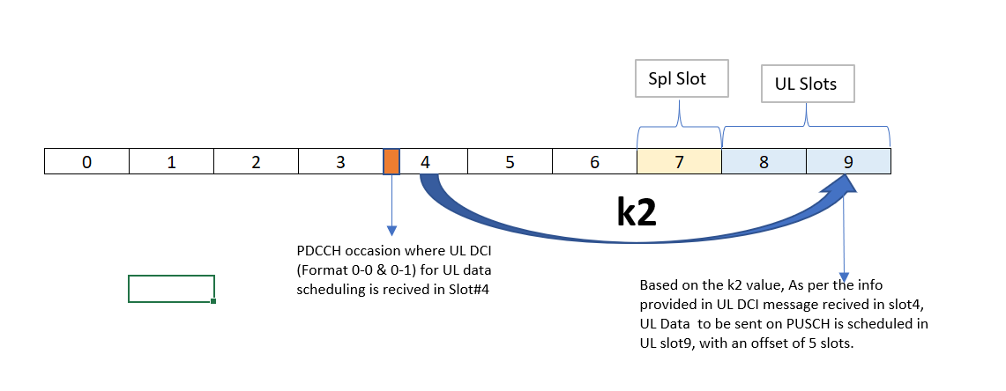
 |  |  |  |  |  |  |  |  |  |  |  |  |  |  |  |  |  |  |  |  |  |  |  |  | Item 0 k2: 4 | 2+12=14
 |  |  |  |  |  |  |  |  |  |  |  |  |  |  |  |  |  |  |  |  |  |  |  |  | Item 1 k2: 5 | 6+12=18
 |  |  |  |  |  |  |  |  |  |  |  |  |  |  |  |  |  |  |  |  |  |  |  |  | Item 2 k2: 6 | 7+12=19
 |  |  |  |  |  |  |  |  |  |  |  |  |  |  |  |  |  |  |  |  |  |  |  |  | Item 3 k2: 7 | 12+12=24
 |  |  |  |  |  |  |  |  |  |  |  |  |  |  |  |  |  |  |  |  |  |  |  |  | Item 4 k2: 8 | 16+12=28
 |  |  |  |  |  |  |  |  |  |  |  |  |  |  |  |  |  |  |  |  |  |  |  |  | Item 5 k2: 9 | 17+12=29
 |  |  |  |  |  |  |  |  |  |  |  |  |  |  |  |  |  |  |  |  |  |  |  |  | Item 6 k2: 11
 |  |  |  |  |  |  |  |  |  |  |  |  |  |  |  |  |  |  |  |  |  |  |  |  | Item 7 k2: 12

 |  |  |  |  |  |  |  |  |  |  |  |  |  |  |  |  |  |  |  |  |  |  |  |  |  | Time Domain Resource Assignment: 7
// DDDSU
subframe | 0 |  | 1 |  |  | 2 |  | 3 |  |  | 4 |  | 5 |  | 6 |  |  | 7 |  | 8 |  |  | 9
slot | 0 | 1 | 2 | 3 |  | 4 | 5 | 6 | 7 |  | 8 | 9 | 10 | 11 | 12 | 13 |  | 14 | 15 | 16 | 17 |  | 18 | 19
 | D | D | D | S |  | U | D | D | D |  | S | U | D | D | D | S |  | U | D | D | D |  | S | U
 | DL_CONFIG.req | DL_CONFIG.req | DL_CONFIG.req | DL_CONFIG.req | UL_CONFIG.req | UL_CONFIG.req | DL_CONFIG.req | DL_CONFIG.req | DL_CONFIG.req | UL_CONFIG.req | UL_CONFIG.req | UL_CONFIG.req | DL_CONFIG.req | DL_CONFIG.req | DL_CONFIG.req | DL_CONFIG.req | UL_CONFIG.req | UL_CONFIG.req | DL_CONFIG.req | DL_CONFIG.req | DL_CONFIG.req | UL_CONFIG.req | UL_CONFIG.req | UL_CONFIG.req
 |  |  |  |  |  |  |  |  |  |  |  |  |  |  |  |  |  |  |  |  |  |  |  |  | pusch-TimeDomainAllocationList setup : |  | // UL DCI
 |  |  |  |  |  |  |  |  |  |  |  |  |  |  |  |  |  |  |  |  |  |  |  |  | { |  | (sf,slot) Time domain resource
 |  |  |  |  |  |  |  |  |  |  |  |  |  |  |  |  |  |  |  |  |  |  |  |  | k2 4, //Time Domain Resource Assignment: 0 → +4 |  | (0,0)=slot 0 | 0 → +4 = 4
 |  |  |  |  |  |  |  |  |  |  |  |  |  |  |  |  |  |  |  |  |  |  |  |  | startSymbolAndLength 55 |  | (0,1)=slot 1 | 3 → +8 = 9
 |  |  |  |  |  |  |  |  |  |  |  |  |  |  |  |  |  |  |  |  |  |  |  |  | }, |  | (2,1)=slot 5 | 0 → +4 = 9
 |  |  |  |  |  |  |  |  |  |  |  |  |  |  |  |  |  |  |  |  |  |  |  |  | { |  | (3,0)=slot 6 | 3 → +8 = 14
 |  |  |  |  |  |  |  |  |  |  |  |  |  |  |  |  |  |  |  |  |  |  |  |  | k2 6, //Time Domain Resource Assignment: 1 → +6 |  | (5,0)=slot 10 | 0 → +4 = 14
 |  |  |  |  |  |  |  |  |  |  |  |  |  |  |  |  |  |  |  |  |  |  |  |  | startSymbolAndLength 55 |  | (5,1)=slot 11 | 3 → +8 = 19
 |  |  |  |  |  |  |  |  |  |  |  |  |  |  |  |  |  |  |  |  |  |  |  |  | }, |  | (6,0)=slot 12 | 2 → +7 = 19
 |  |  |  |  |  |  |  |  |  |  |  |  |  |  |  |  |  |  |  |  |  |  |  |  | { |  | (7,1)=slot 15 | 0 → +4 = 19
 |  |  |  |  |  |  |  |  |  |  |  |  |  |  |  |  |  |  |  |  |  |  |  |  | k2 7, //Time Domain Resource Assignment: 2 → +7 |  | (8,0)=slot 16 | 3 → +8 = 24
 |  |  |  |  |  |  |  |  |  |  |  |  |  |  |  |  |  |  |  |  |  |  |  |  | startSymbolAndLength 55
 |  |  |  |  |  |  |  |  |  |  |  |  |  |  |  |  |  |  |  |  |  |  |  |  | },
 |  |  |  |  |  |  |  |  |  |  |  |  |  |  |  |  |  |  |  |  |  |  |  |  | {
 |  |  |  |  |  |  |  |  |  |  |  |  |  |  |  |  |  |  |  |  |  |  |  |  | k2 8, //Time Domain Resource Assignment: 3 → +8
 |  |  |  |  |  |  |  |  |  |  |  |  |  |  |  |  |  |  |  |  |  |  |  |  | startSymbolAndLength 55
 |  |  |  |  |  |  |  |  |  |  |  |  |  |  |  |  |  |  |  |  |  |  |  |  | }

CSC_79
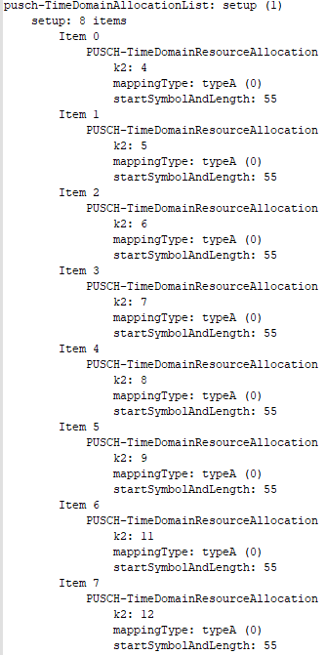
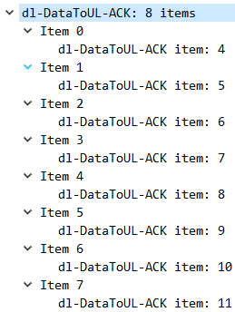
// DDDSU DDSUU not fix |  |  |  |  |  |  |  |  |  |  |  |  |  |  |  |  |  |  |  |  |  |  |  |  | nr_info.message.type == 0x83

subframe | 0 |  | 1 |  |  | 2 |  | 3 |  |  | 4 |  | 5 |  | 6 |  |  | 7 |  | 8 |  |  | 9
slot | 0 | 1 | 2 | 3 |  | 4 | 5 | 6 | 7 |  | 8 | 9 | 10 | 11 | 12 | 13 |  | 14 | 15 | 16 | 17 |  | 18 | 19
 | D | D | D | S |  | U | D | D | S |  | U | U | D | D | D | S |  | U | D | D | S |  | U | U
 | DL_CONFIG.req | DL_CONFIG.req | DL_CONFIG.req | DL_CONFIG.req | UL_CONFIG.req | UL_CONFIG.req | DL_CONFIG.req | DL_CONFIG.req | DL_CONFIG.req | UL_CONFIG.req | UL_CONFIG.req | UL_CONFIG.req | DL_CONFIG.req | DL_CONFIG.req | DL_CONFIG.req | DL_CONFIG.req | UL_CONFIG.req | UL_CONFIG.req | DL_CONFIG.req | DL_CONFIG.req | DL_CONFIG.req | UL_CONFIG.req | UL_CONFIG.req | UL_CONFIG.req
 |  |  |  |  |  |  |  |  |  |  |  |  |  |  |  |  |  |  |  |  |  |  |  |  | setup: 8 items
 |  |  |  |  |  |  |  |  |  |  |  |  |  |  |  |  |  |  |  |  |  |  |  |  | Item 0
 |  |  |  |  |  |  |  |  |  |  |  |  |  |  |  |  |  |  |  |  |  |  |  |  | k2: 4
 |  |  |  |  |  |  |  |  |  |  |  |  |  |  |  |  |  |  |  |  |  |  |  |  | Item 1
 |  |  |  |  |  |  |  |  |  |  |  |  |  |  |  |  |  |  |  |  |  |  |  |  | k2: 5
 |  |  |  |  |  |  |  |  |  |  |  |  |  |  |  |  |  |  |  |  |  |  |  |  | Item 2
 |  |  |  |  |  |  |  |  |  |  |  |  |  |  |  |  |  |  |  |  |  |  |  |  | k2: 6
 |  |  |  |  |  |  |  |  |  |  |  |  |  |  |  |  |  |  |  |  |  |  |  |  | Item 3
 |  |  |  |  |  |  |  |  |  |  |  |  |  |  |  |  |  |  |  |  |  |  |  |  | k2: 7
 |  |  |  |  |  |  |  |  |  |  |  |  |  |  |  |  |  |  |  |  |  |  |  |  | Item 4
 |  |  |  |  |  |  |  |  |  |  |  |  |  |  |  |  |  |  |  |  |  |  |  |  | k2: 8
 |  |  |  |  |  |  |  |  |  |  |  |  |  |  |  |  |  |  |  |  |  |  |  |  | Item 5
 |  |  |  |  |  |  |  |  |  |  |  |  |  |  |  |  |  |  |  |  |  |  |  |  | k2: 9
 |  |  |  |  |  |  |  |  |  |  |  |  |  |  |  |  |  |  |  |  |  |  |  |  | Item 6
 |  |  |  |  |  |  |  |  |  |  |  |  |  |  |  |  |  |  |  |  |  |  |  |  | k2: 11
 |  |  |  |  |  |  |  |  |  |  |  |  |  |  |  |  |  |  |  |  |  |  |  |  | Item 7
 |  |  |  |  |  |  |  |  |  |  |  |  |  |  |  |  |  |  |  |  |  |  |  |  | k2: 12
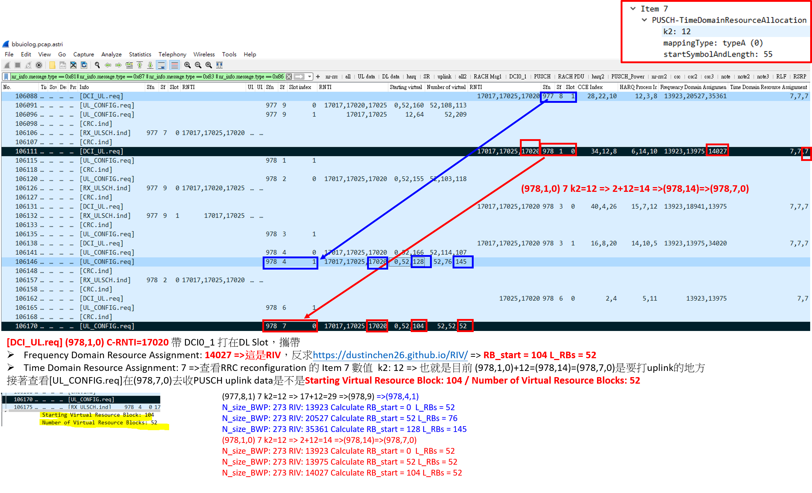

 |  |  |  |  |  |  |  |  |  |  |  |  |  |  |  |  |  |  |  |  |  |  |  |  |  | (977,1,0) 7 k2=12 => 2+12=14 =>(977,14)
 |  |  |  |  |  |  |  |  |  |  |  |  |  |  |  |  |  |  |  |  |  |  |  |  |  | (977,3,0) 7 k2=12 => 6+12=18 =>(977,18)
 |  |  |  |  |  |  |  |  |  |  |  |  |  |  |  |  |  |  |  |  |  |  |  |  |  | (977,6,0) 7 k2=12 => 12+12=24 =>(978,4)
 |  |  |  |  |  |  |  |  |  |  |  |  |  |  |  |  |  |  |  |  |  |  |  |  |  | (977,8,0) 7 k2=12 => 16+12=28 =>(978,8)
 |  |  |  |  |  |  |  |  |  |  |  |  |  |  |  |  |  |  |  |  |  |  |  |  |  | (977,8,1) 7 k2=12 => 17+12=29 =>(978,9)
 |  |  |  |  |  |  |  |  |  |  |  |  |  |  |  |  |  |  |  |  |  |  |  |  |  | (978,1,0) 7 k2=12 => 2+12=14 =>(978,14)=>(978,7,0)

DDDSU DDSUU
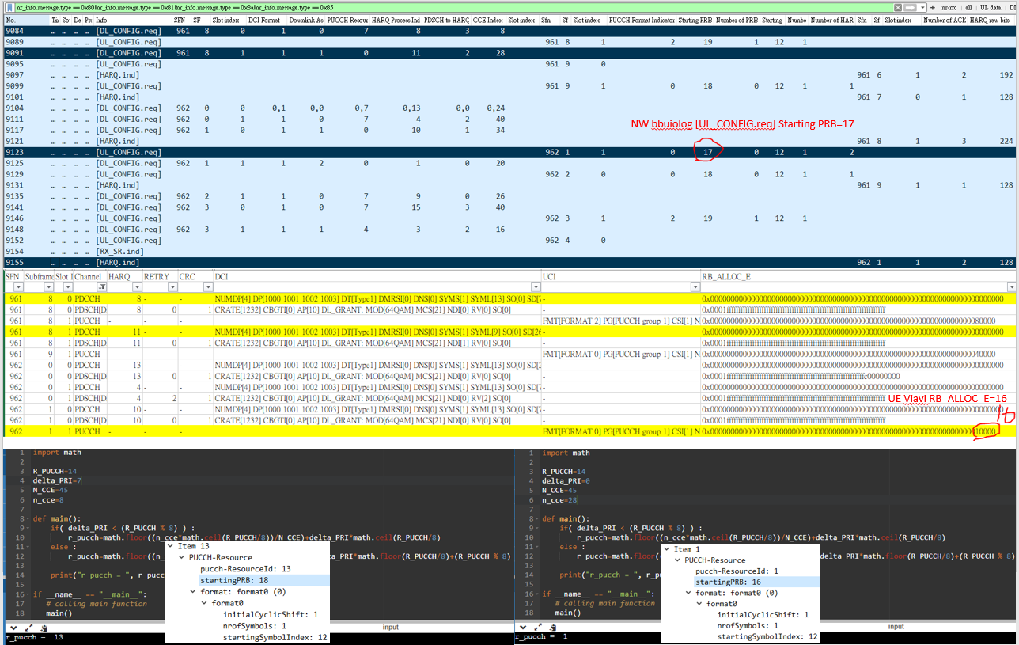
No. | Time | Source | Destination | Protocol | Info | SFN | SF | Slot index | DCI Format | Downlink Assignment Index | PUCCH Resource Indicator | HARQ Process Index | PDSCH to HARQ Feedback Timing Indicator | CCE Index | Slot index | Sfn | Sf | Slot index | PUCCH Format Indicator | Starting PRB | Number of PRBs | Starting OFDM Symbol | Number of OFDM Symbols | Number of HARQ Information Bits | Sfn | Sf | Slot index | Number of ACK/NACK bits | HARQ raw bits | Is DTX
9084 | 2022-09-09 12:29:18 | 10.88.120.11 | 10.88.120.22 | NR_INFO | [DL_CONFIG.req] | 961 | 8 | 0 | 1 | 0 | 7 | 8 | 3 | 8
9091 | 2022-09-09 12:29:18 | 10.88.120.11 | 10.88.120.22 | NR_INFO | [DL_CONFIG.req] | 961 | 8 | 1 | 1 | 1 | 0 | 11 | 2 | 28
9123 | 2022-09-09 12:29:18 | 10.88.120.11 | 10.88.120.22 | NR_INFO | [UL_CONFIG.req] |  |  |  |  |  |  |  |  |  |  | 962 | 1 | 1 | 0 | 17 | 0 | 12 | 1 | 2
9155 | 2022-09-09 12:29:18 | 10.88.120.11 | 10.88.120.22 | NR_INFO | [HARQ.ind] |  |  |  |  |  |  |  |  |  |  |  |  |  |  |  |  |  |  |  | 962 | 1 | 1 | 2 | 128 | 0

SFN | Subframe | Slot Index | Channel | HARQ | RETRY | CRC | DCI | UCI | RB_ALLOC_O
961 | 8 | 0 | PDCCH | 8 | - | - | NUMDP[4] DP[1000 1001 1002 1003] DT[Type1] DMRSI[0] DNS[0] SYMS[1] SYML[13] SO[0] SD[78432] FDRA[0x221] SRS[0] PRI[7] VPM[0] PHF[3] MCS[21] NDI[0] RV[0] DAI[0] MOD[64QAM] MCS(CW2)[0] NDI(CW2)[0] RV(CW2)[0] MOD(CW2)[UNKNOWN] APB[10] CCE[2] TDRA[0] PUCCH TPC[1] | -
961 | 8 | 1 | PDCCH | 11 | - | - | NUMDP[4] DP[1000 1001 1002 1003] DT[Type1] DMRSI[0] DNS[0] SYMS[1] SYML[9] SO[0] SD[26080] FDRA[0x221] SRS[0] PRI[0] VPM[0] PHF[2] MCS[21] NDI[1] RV[0] DAI[1] MOD[64QAM] MCS(CW2)[0] NDI(CW2)[0] RV(CW2)[0] MOD(CW2)[UNKNOWN] APB[10] CCE[2] TDRA[1] PUCCH TPC[1] | -
962 | 1 | 1 | PUCCH | - | - | - |  | FMT[FORMAT 0] PG[PUCCH group 1] CSI[1] NRS[1] ACK[1 1] SR[0] TXP[-55.15] CRC[0] | 0x0000000000000000000000000000000000000000000000000000000000000000010000

